Evidence
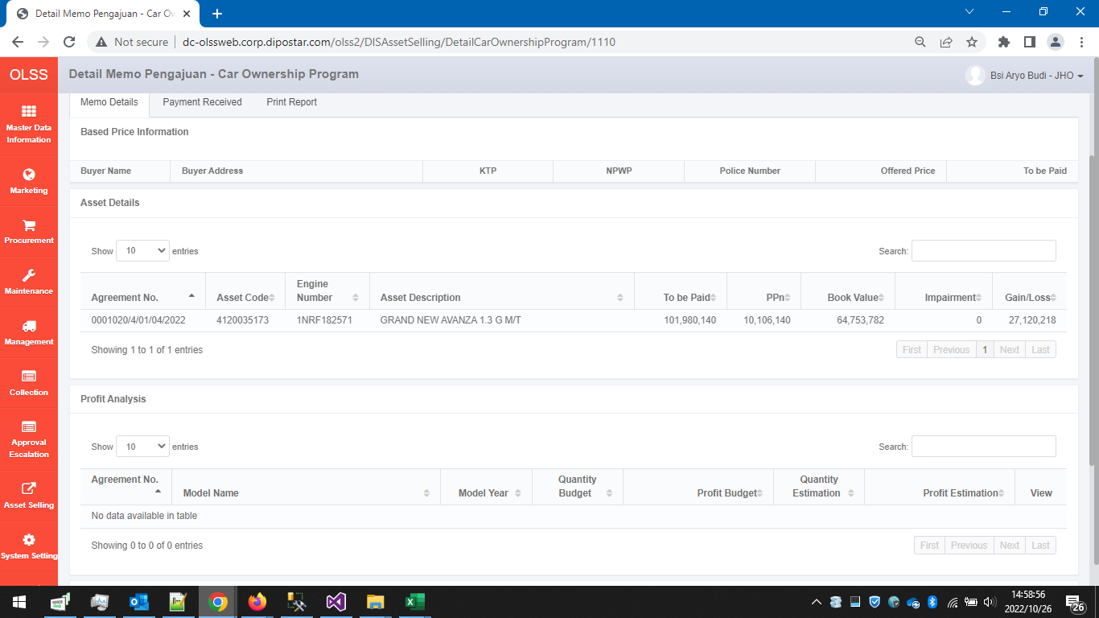
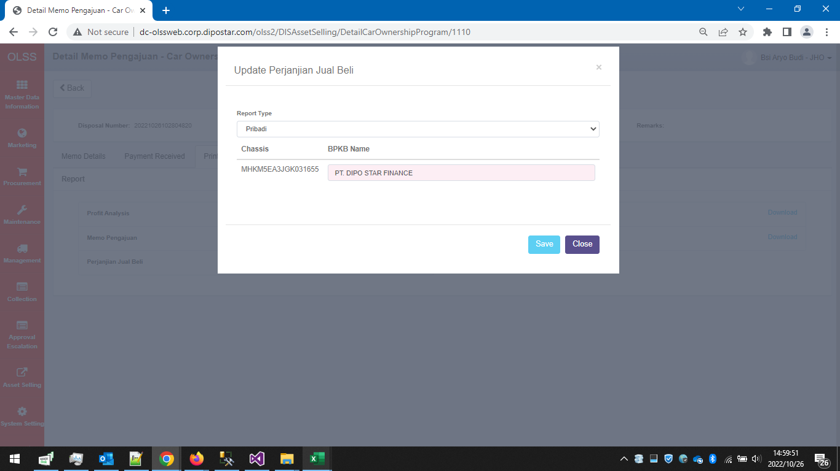
00140/COP/10/2022

BEFORE



Tb_DIS_Agreement - BEFORE

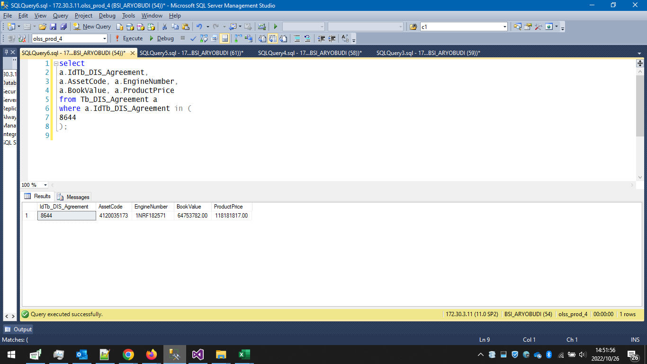

Tb_DIS_Agreement - SCRIPT

begin tran;

update Tb_DIS_Agreement
set
ProductPrice = 91874000
where IdTb_DIS_Agreement = 8644;

--rollback tran;
--commit tran;

Tb_DIS_Agreement - AFTER

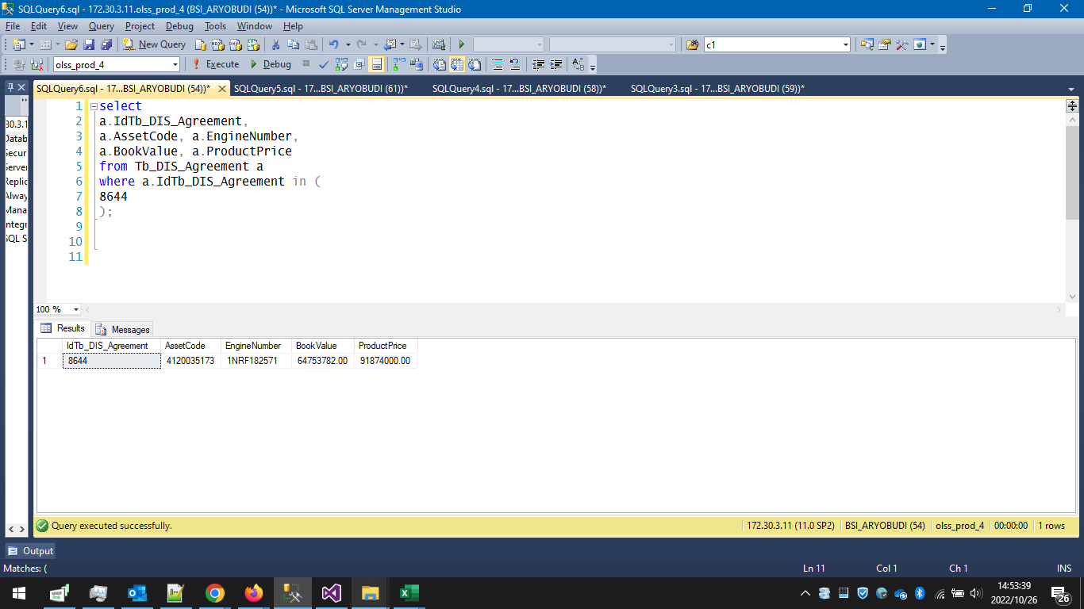

INSERT Tb_DIS_Buyers

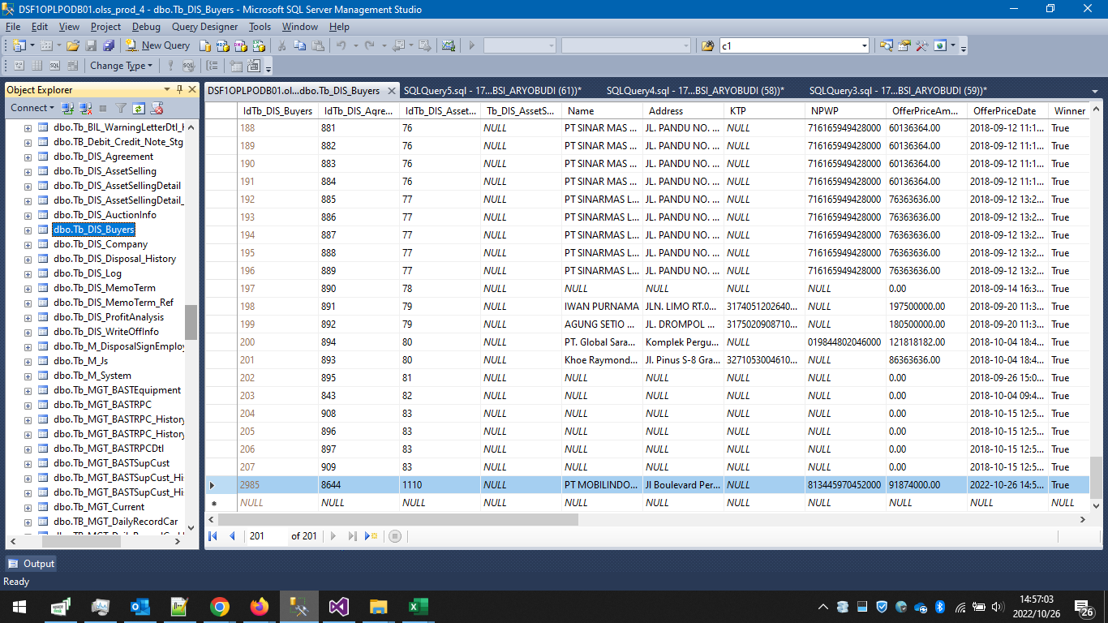

AFTER

